2014.11.24
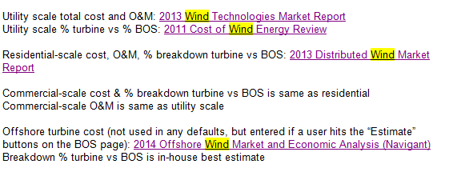
 | Res/Comm | Utility
 | Onshore | Onshore | Offshore
Total Cost ($/kW) | $6,940 | $1,630 | $5,187
Turbine Cost ($/kW) | $4,673 | $1,029 | $1,660
BOS Cost ($/kW) | $2,267 | $601 | $3,527
O&M Cost ($/MWh) | 9 | 9 | 9 | Residential Breakdown:
 |  |  |  | Turbine = turbine + tower in Table 2
 |  |  |  | BOS = everything else in Table 2
 |  |  |  | to be consistent with utility-scale

